Sheet1
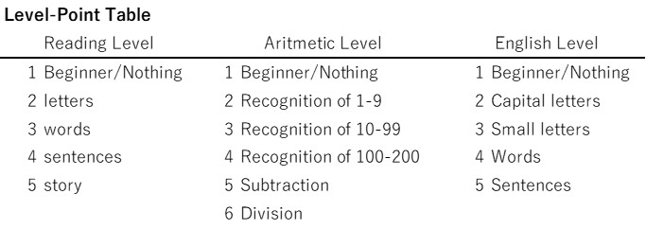
Level-Point Table
Reading Level |  | Aritmetic Level |  | English Level
1 | Beginner/Nothing | 1 | Beginner/Nothing | 1 | Beginner/Nothing
2 | letters | 2 | Recognition of 1-9 | 2 | Capital letters
3 | words | 3 | Recognition of 10-99 | 3 | Small letters
4 | sentences | 4 | Recognition of 100-200 | 4 | Words
5 | story | 5 | Subtraction | 5 | Sentences
 |  | 6 | Division

